DataSheet
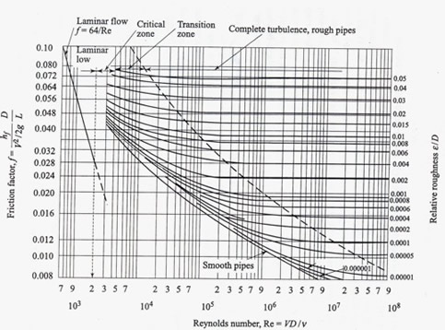
Dynamic Viscosity of Propane | 0.00011 | N-S/M2 | Engineeringtoolbox.com
Kinematic Viscosity of LPG | 0.0000004 | M2/s | LPG Pup Data sheet KEPL | one stoke = 10 ^ -4 M2/s, one Cstockes = 10^-6M2/s
 | 0.000218

